Sheet1
DATE | INV NO. | DESCRIPTIONS | AMOUNT | BILLS | PRICE | SUBTOTAL | TOTAL
11-Oct-2025 | 1934 | Paper Lunch Box L | 200 |  | IDR 1,100 | IDR 220,000 | IDR 4,308,000
 |  | Thinwall Bowl 650ml | 500 |  | IDR 1,380 | IDR 690,000
 |  | Plastic Wrap 45 | 4 |  | IDR 188,000 | IDR 752,000
 |  | Aluminium Foil 30*7.6 | 24 |  | IDR 38,000 | IDR 912,000
 |  | Tusuk Yakitori | 2 |  | IDR 28,000 | IDR 56,000
 |  | Hand Glove XL | 5 |  | IDR 58,000 | IDR 290,000
 |  | Box Burger XL | 100 |  | IDR 2,680 | IDR 268,000
 |  | Paper Bag Handle M | 400 |  | IDR 2,800 | IDR 1,120,000
16-Oct-2025 | 1967 | Paper Bag Handle L | 600 | 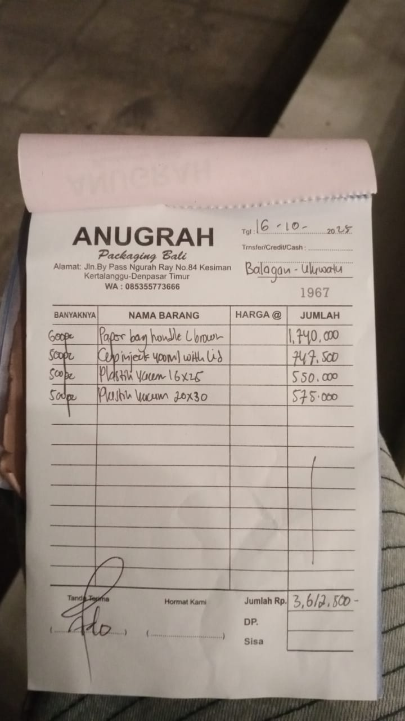 | IDR 2,900 | IDR 1,740,000 | IDR 3,612,500
 |  | Cup inject 400 ml with lid | 500 |  | Rp1,495 | IDR 747,500
 |  | Plastic vacuum 16 x 25 | 500 |  | Rp1,100 | IDR 550,000
 |  | Plastic vacuum 20 x 30 | 500 |  | Rp1,150 | IDR 575,000
24/10/2025 | 2077 | Cup Sauce 60ml | 1200 | 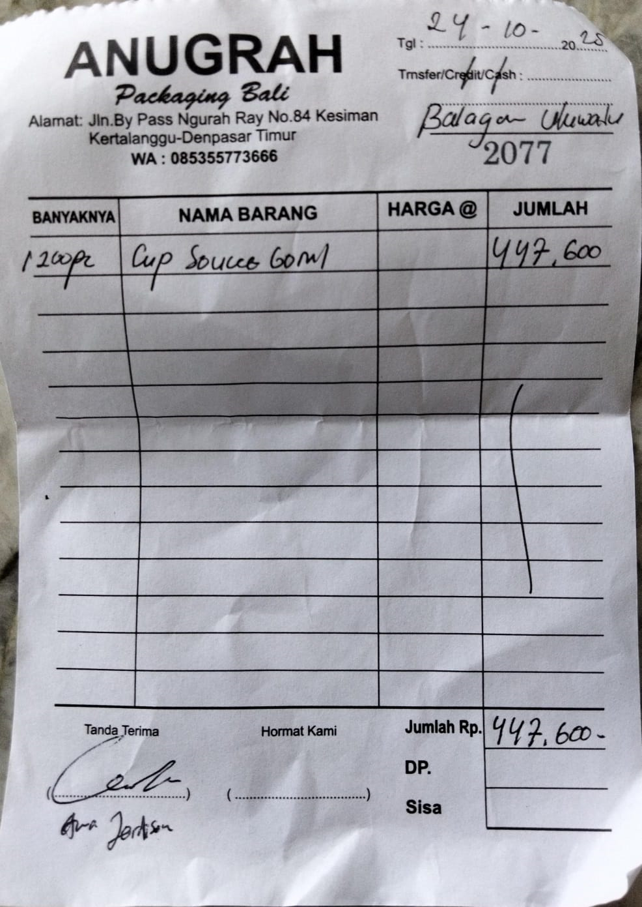 | Rp373 | IDR 447,600 | IDR 447,600
GRAND TOTAL |  |  |  |  |  |  | Rp8,368,100

